Sheet1
GenderCode | (ALL)

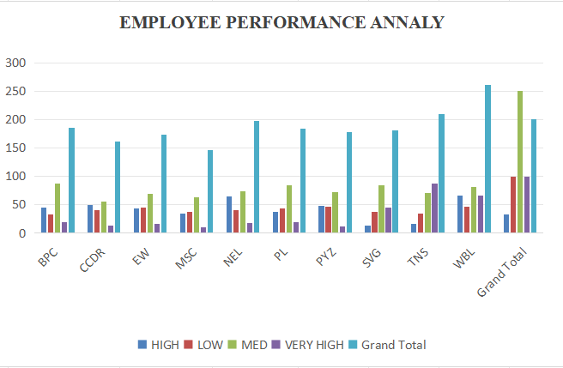
Count of FirstName | Performance Level
BusinessUnit | HIGH | LOW | MED | VERY HIGH | Grand Total
BPC | 45 | 33 | 88 | 20 | 186
CCDR | 50 | 41 | 56 | 14 | 161
EW | 43 | 45 | 69 | 17 | 174
MSC | 35 | 38 | 63 | 10 | 146
NEL | 65 | 40 | 74 | 18 | 197
PL | 37 | 43 | 85 | 19 | 184
PYZ | 48 | 46 | 72 | 12 | 178
SVG | 14 | 37 | 85 | 45 | 181
TNS | 16 | 34 | 71 | 88 | 209
WBL | 67 | 46 | 81 | 67 | 261
Grand Total | 420 | 403 | 744 | 310 | 1877

